Sheet1


M/S Fakhri Brothers |  |  |  |  |  | 19-May-25
PO # 021
Att: Mr. Mustafa Majal

PURCHASE ORDER

Supply of Following material for the project (Abbot Pharma Ocean Tower)
S No. | D e s c r i p t i o n | Brand | Qty | Unit | Rate | Amount
1 | Coppper Pipe L Type size 1/2"Ø | Trox Korea | 610 | Rft. | 444 | 270,657
2 | Foam Pipe Insulation size 1/2" × 1/2" Thickness | Armaflex KSA | 610 | Rft. | 66 | 40,443
3 | Coppper Pipe L Type size 1/2"Ø | Trox Korea | 9 | Rft. | 444 | 3,993
4 | Foam Pipe Insulation size 1/2" × 1/2" Thickness | Armaflex KSA | 13 | Rft. | 66 | 862
5 | Coppper Pipe L Type size 5/8"Ø | Trox Korea | 185 | Rft. | 629 | 116,365
6 | Foam Pipe Insulation size 5/8" × 1/2" Thickness | Armaflex KSA | 184 | Rft. | 69 | 12,668
7 | Coppper Pipe L Type size 7/8"Ø | Trox Korea | 321 | Rft. | 1,003 | 321,963
8 | Foam Pipe Insulation size 7/8" × 1/2" Thickness | Armaflex KSA | 321.44 | Rft. | 82 | 26,230
9 | Coppper Pipe L Type size 1-1/8"Ø | Trox Korea | 95 | Rft. | 1,443 | 137,114
10 | Foam Pipe Insulation size 1-1/8" × 1/2" Thickness | Armaflex KSA | 98 | Rft. | 94 | 9,163
11 | Nbr Adhesive Roll 25mm Thickness 1Mtr × 8 Mtr Per Roll | Aerofoam UAE | 8585 | Sq.ft. | 247 | 2,123,500
12 | Pressure Gauge 0-160 PSI & Bar With Gauge cock and Syphon | Weiss | 98 | Nos. | 6,375 | 624,750
13 | Ind Thermometer 0-160 F&C With Brasswell | Weiss | 98 | Nos. | 7,500 | 735,000
14 | 2 Way Motorized Valve size 1"Ø With accuator | Honeywell USA | 49 | Nos. | 22,100 | 1,082,900
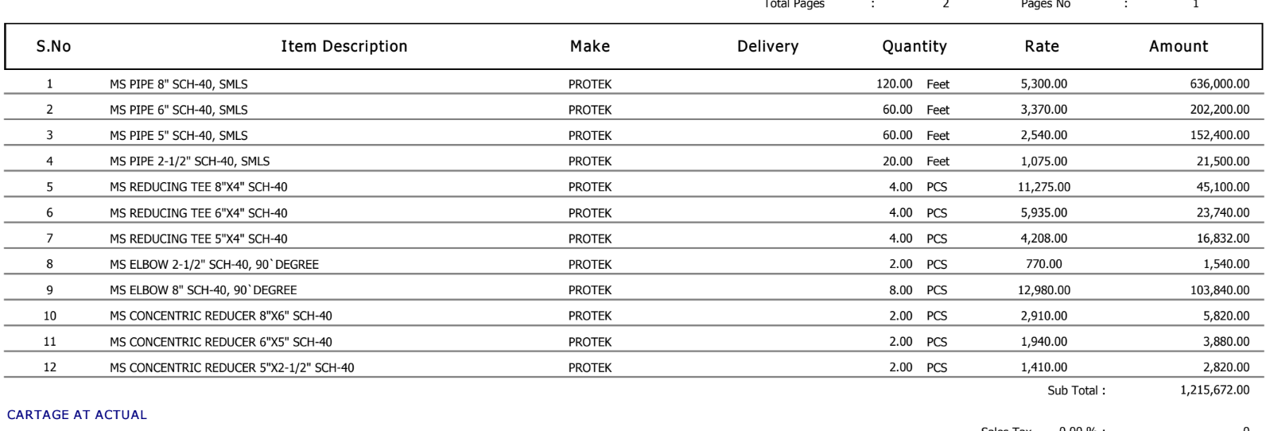
15 | Foam Pipe Insulation size 1-1/8" × 3/8" Thickness | Gulfoflex UAE | 1050 | Rft. | 53 | 55,781
16 | Foam Pipe Insulation size 1-3/8" × 3/8" Thickness | Gulfoflex UAE | 198 | Rft. | 76 | 15,007
17 | Foam Pipe Insulation size 1-5/8" × 3/8" Thickness | Gulfoflex UAE | 24 | Rft. | 98 | 2,346
18 | Foam Pipe Insulation size 3/4" × 1" Thickness | Aerofoam UAE | 289 | Rft. | 304 | 87,887
19 | Foam Pipe Insulation size 1-1/8" × 1" Thickness | Aerofoam UAE | 171 | Rft. | 349 | 59,757
20 | Foam Pipe Insulation size 1-3/8" × 1" Thickness | Aerofoam UAE | 623 | Rft. | 413 | 257,591
21 | Foam Pipe Insulation size 1-5/8" × 1" Thickness | Aerofoam UAE | 512 | Rft. | 450 | 230,404
22 | Foam Pipe Insulation size 1-7/8" × 1" Thickness | Aerofoam UAE | 177 | Rft. | 492 | 87,128
23 | Foam Sheet 1-1/2" Thickness 1 Mtr × 6 mtr Per Roll For Pipe size 2"Ø | Aerofoam UAE | 158.45643 | Rft. | 282 | 44,630
24 | Foam Sheet 1-1/2" Thickness 1 Mtr × 6 mtr Per Roll For Pipe size 2-1/2"Ø | Aerofoam UAE | 171.52526 | Rft. | 347 | 59,507
25 | Foam Sheet 1-1/2" Thickness 1 Mtr × 6 mtr Per Roll For Pipe size 3"Ø | Aerofoam UAE | 337.8792 | Rft. | 426 | 143,808
26 | Flexible Insulated Round Duct Insulated FD LM 6 X 25FT, 16 kgm3 density 25 RFT/Box | Aeroduct UAE | 60 | Nos. | 3,842 | 230,520
27 | Flexible Insulated Round Duct Insulated FD LM 8 X 25FT, 16 kgm3 density 25 RFT/Box | Aeroduct UAE | 37 | Nos. | 5,100 | 188,700
 |  |  | TOTAL: |  |  | 6,968,674
Discount 7.5% |  |  |  |  |  | 522,651
Total amount |  |  |  |  |  | 6,446,023

Note: Above PO is subject to approval from the consultant.

for PIONEER ENGINEERING SERVICES

